SOCIAL INDICATORS_RATIONALE
SOCIAL INDICATORS
The Social indicators with their relative weights are indicated below;
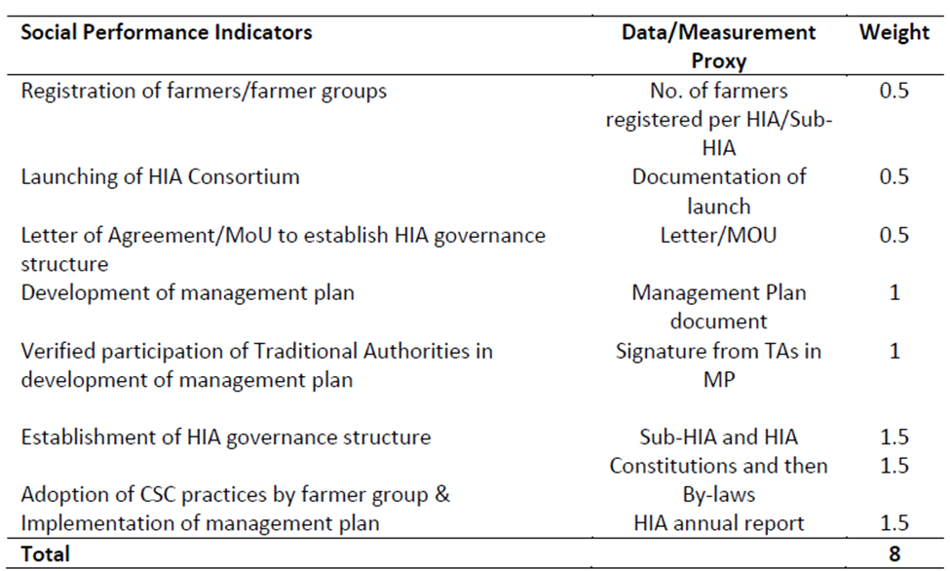

Scoring of HIAs according to the Social Indicators
1. Registration of farmers
I. None of the HIAs had undertaken farmer registration, hence the score being zero(0) for all.

2. Launching of HIA Consortium
I. Only Juabeso Bia had launched the HIA consortium as at 2019.
II. The Framework agreement was subsequently signed in 2019.

3. Letter of Agreement/MoU to establish governance structure
I. The Forestry Commission had received various correspondences to setup governance structures in the Asunafo Asutifi HIA, Kakum HIA, Juabeso and Sefwi Wiawso HIAs.

4. Development of Management Plan
I. Juabeso developed a management plan in 2019. (Copy attached)
II. Kakum had initiated processes with baseline information gathering

5. Verified Participation of Traditional Authorities in Development of Management Plan.
I. These refer to the participation of the National House of Chiefs at the REDD+ Working Group level and during the Governance Structure arrangements.
II. The governance structure arrangements are developed in the Asunafo Asutifi, Juabeso, Kakum, Sefwi Wiawso and Ahafo Ano HIAs.

6. Establishment of HIA Governance Structure
I. Only Juabeso had the Governance Structure established in 2019 (Framework Agreement signed with HMB in 2019).

7. Adoption of CSC Practices by Farmer Groups
I. Through the Forest Investment Programme (FIP), Youth in Afforestation Programme and other initiatives by COCOBOD and the Private sector, tree seedlings were supplied to farmers mainly in the Asunafo Asutifi, Juabeso, Ahafo Ano, Kakum and Atewa HIAs (Refer to page 30 of GFPS Annual Report attached).

8. Implementation of Management Plan
I. Juabeso had begun implementing activities in the management plan.

